Comparison Pictures
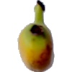
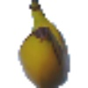
Logistic Regression Model Prediction Sample |  |  | Deep Neural Network Model Prediction Sample
Prediction | Actual | Filename | Prediction | Actual | Filename
Apple Golden 3 | Pear | fruits-360/Test/Pear/r_78_100.jpg | Cherry 2 | Tomato 3 | fruits-360/Test/Tomato 3/r_217_100.jpg

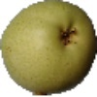
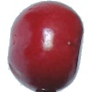
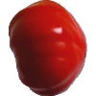

Pear | Avocado | fruits-360/Test/Avocado/r_70_100.jpg
 |  |  | Passion Fruit | Potato Red Washed | fruits-360/Test/Potato Red Washed/r2_152_100.jpg
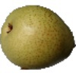
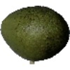
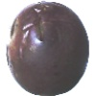
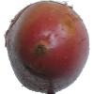

Tomato Maroon | Potato Red Washed | fruits-360/Test/Potato Red Washed/r2_143_100.jpg
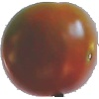
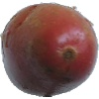
 |  |  | Walnut | Kohlrabi | fruits-360/Test/Kohlrabi/r_278_100.jpg
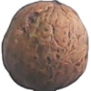
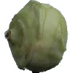

Lemon | Mandarine | fruits-360/Test/Mandarine/r_83_100.jpg
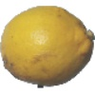
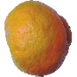
 |  |  | Physalis with Husk | Strawberry Wedge | fruits-360/Test/Strawberry Wedge/r_257_100.jpg

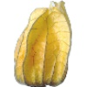
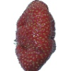

Apple Braeburn | Nectarine | fruits-360/Test/Nectarine/60_100.jpg
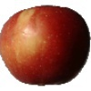
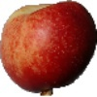
 |  |  | Pomelo Sweetie | Apple Red Yellow 1 | fruits-360/Test/Apple Red Yellow 1/r_50_100.jpg

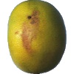
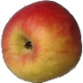

Pear | Apple Granny Smith | fruits-360/Test/Apple Granny Smith/r_79_100.jpg

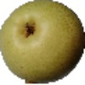
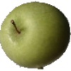
 |  |  | Pepper Green | Cherry Rainier | fruits-360/Test/Cherry Rainier/r_50_100.jpg

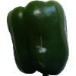
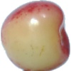

Mango | Pepino | fruits-360/Test/Pepino/r_234_100.jpg
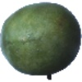
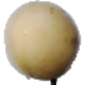
 |  |  | Avocado | Papaya | fruits-360/Test/Papaya/57_100.jpg

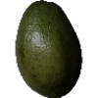
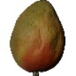

Onion Red | Onion White | fruits-360/Test/Onion White/r2_11_100.jpg
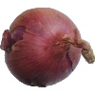
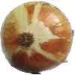
 |  |  | Kumquats | Kaki | fruits-360/Test/Kaki/r_165_100.jpg
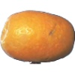
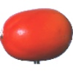

 |  |  | Banana Lady Finger | Banana | fruits-360/Test/Banana/167_100.jpg

